1. Title Page
Grocery Basket Analysis

Project Name: Grocery Basket Analysis
Date: 5/2/25
Analyst Name: Ginger Moore
Citation: “The Instacart Online Grocery Shopping Dataset 2017”, Accessed from www.instacart.com/datasets/grocery-shopping-2017 via Kaggle on 4/10/25.

Contents:
Population Flow
Consistency checks
Wrangling steps
Column derivations
Visualizations
Recommendations

2. Population Flow
Title page

Population flow

Exclusion flag
Condition: max_order <
Obervations to be removed:
Final total count of order_products_all:

Orders_products_combined
Orders_products_merged
Orders_products_all

Total: 32399732
Total: 32434489
Total: 32399732

1.) The grey boxes in the first row of the population flow represent the original data sets as they were when you downloaded them. In the Total fields you need to add the count of the rows when you imported the data set into Jupyter.
2.) The second row of boxes (coloured) represents the data sets after you manipulated them, e.g., removed missing values and duplicates. In the Total fields you need to add the count of the rows after conducting these operations. This offers a visual oveview of how the data flows throughout the data consistency checks.
3.) The third row, where also the arrows are coloured, represents the merges you performed between the datasets. In the Total fields you need to add the count of the rows in the merged datasets, so that you end up with the final dataset (in the red box). Keep in mind the final dataset should be without exclusions (based on the exclusion flag).

3. Consistency checks
 |  |  |  | Title page
Consistency checks

Dataset | Missing values | Missing values treatment | Duplicates
orders | some null values in 'days since prior order' column | added column to indicate new customer or not | none
products | 16 missing product names | created new dataframe excluding the missing values | 5 full duplicates, dropped
orders_products_prior | no missing values | none | none
customers | no missing values | none | none

4. Wrangling steps
 |  |  |  | Title page
Wrangling steps

Columns dropped | Columns renamed | Columns' type changed | Comment/Reason
First Name |  |  | This could be PII and is not necessary for our analysis
Surname |  |  | This could be PII and is not necessary for our analysis
 | n_dependants = dependents |  | Renamed since it was misspelled
eval_set |  |  | Not necessary for our analysis
 | order_dow = order_day_of_week |  | Changed to be more readable for layperson
 |  | order_id | Changed to string since it is a name, not a number
 |  | user_id | Changed to string since it is a name, not a number
 | order_number = orders_chronological |  | Changed name to clarify

5. Column derivations
 |  |  |  |  |  |  | Title page

Column derivations and aggregations

In this tab you should add tables below that the frequences of flags/label variables that you produced after deriving them. NB: don't do this for continuous variables, only for flags.
Dataset | New column | Column/s it was derived from | Conditions
ords_prods_merge | price_range | prices | price_label function. If price is 5 or lower, it is low-range. Over 5 and up to 15, it is mid-range. Over 15 is high-range.
ords_prods_merge | busiest_day | orders_day_of_week | for-loop. If day = 0, it is the busiest day. If day = 4, it is least busy. All others are regularly busy.
ords_prods_merge | busiest_days | orders_day_of_week | Same as above, but with two days allocated "busiest" and two days allocated "least busy" | loyalty_flag | frequency | spending_flag | Freqency
ords_prods_merge | busiest_period_of_day | order_hour_of_day | for-loop. Hours of the day are determined busiest, least busy, and regularly busy. | loyal customer | 10282763 | high spender | 32280394
ords_prods_merge | max_order | orders_chronological, user_id | max chronological order of each user id - shows how many orders each customer has placed | regular customer | 15874128 | low spender | 119338
ords_prods_merge | loyalty_flag | max_order | Customers are designated loyal, regular, or new customers based on how many orders they have placed. Conditions established via .loc function. | new customer | 6242841
ords_prods_merge | avg_order_total | user_id, prices | Mean cart total per user_id shows average amount customer is likely to spend |  |  | frequency_flag | frequency
ords_prods_merge | spending_flag | avg_order_total | Customers are designated high spender or low spender based on the average amount they spend. Conditions established using a .loc function. |  |  | frequent customer | 12114543
ords_prods_merge | median_days | user_id, days_since_prior_order | Median number of days each user has had between cart orders shows how frequent they order from instacart. |  |  | non-frequent customer | 20285184
ords_prods_merge | frequency_flag | median_days | Customers are designated frequent or non-frequent based on the median number of days since their most recent order. Conditions established using a .loc function.

6. Visualizations
Title page

Visualisations

In this tab you should include all the visualtions from Exercises 4.9 and 4.10, alongside the questions from the project brief that they answer. Include any commentary on the relationship between different variables.

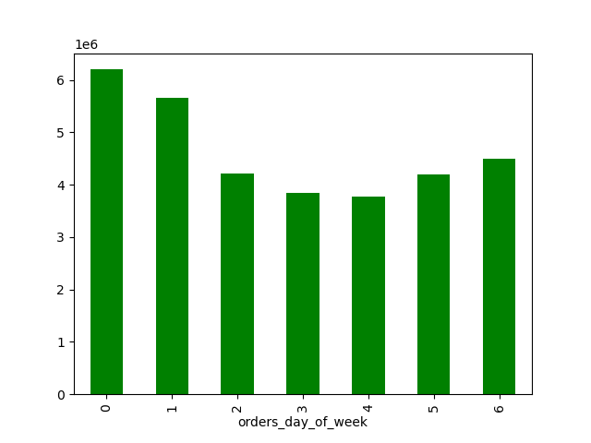

This bar chart demonstrates the frequency of orders placed on each day of the week. Sunday (day 0) is the busiest day, and Thursday (4) is the least busy.
This histogram shows that the number of orders placed during a 24-hour period is normally distributed with a slight left skew. Most orders are placed between about 9am and 8pm.
The sales team needs to know what the busiest days of the week and hours of the day are (i.e., the days and times with the most orders) in order to schedule ads at times when there are fewer orders.
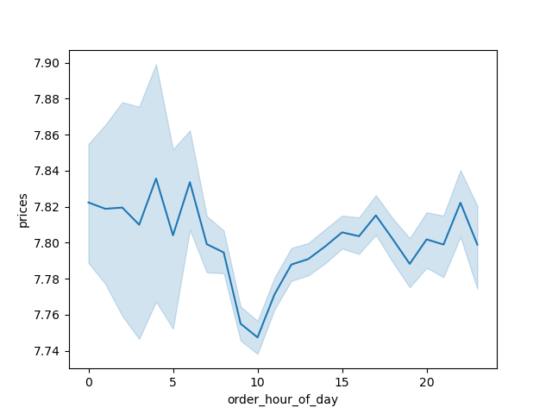
This line chart shows the relationship between price and time of day. It appears that lower-priced items are more likely to be purchased around the middle of the day, while more expensive items are likely to be purchased in the wee hours of the morning.
They also want to know whether there are particular times of the day when people spend the most money, as this might inform the type of products they advertise at these times.

The marketing and sales teams are particularly interested in the different types of customers in their system and how their ordering behaviors differ.

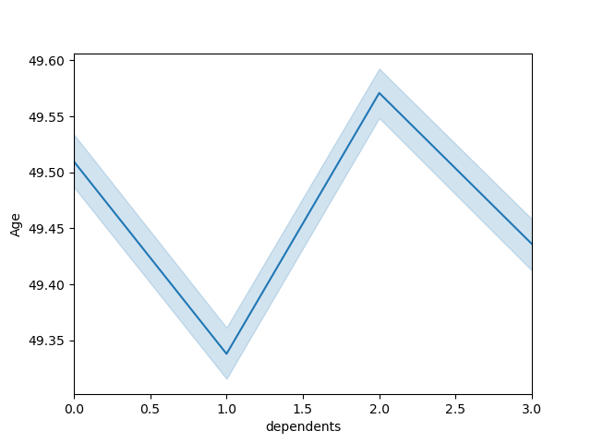

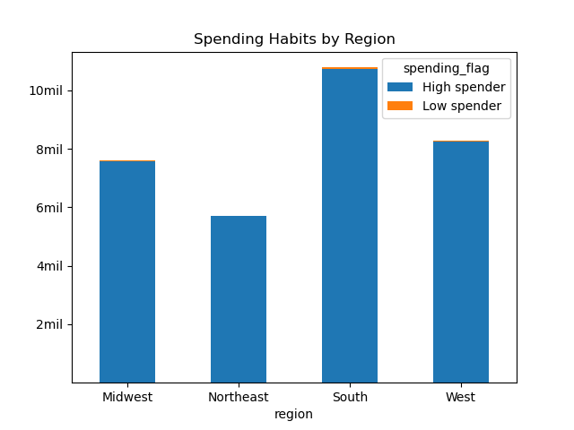
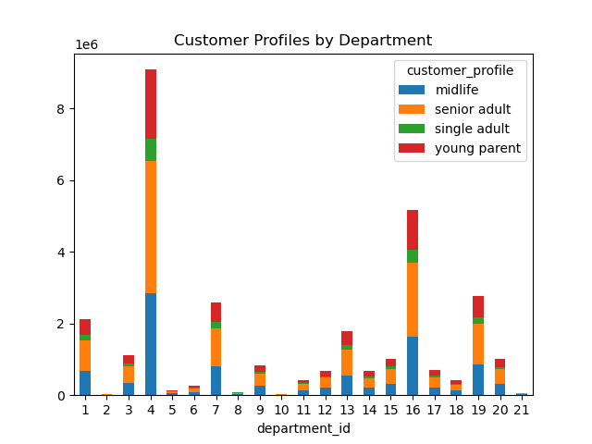
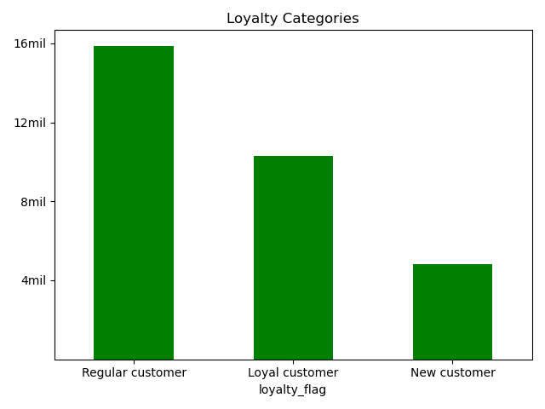
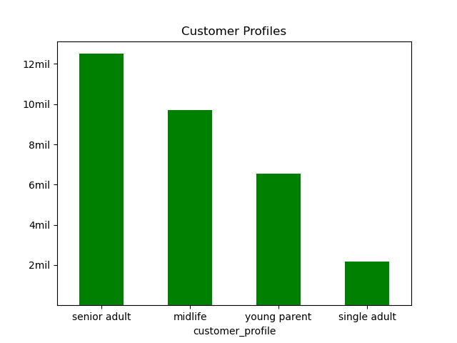
According to this chart, there does not appear to be a relationship between the age of a customer and the number of dependents they are likely to have.
This scatterplot shows a positive relationship between age and spending power. As age increases, it's likely that income increases as well.
High spenders far outnumber low spenders accross the country. However, the greatest number of customers overall is concentrated in the South.
I created a stacked bar chart to show how different customer profiles consume products from different departments.
This bar chart shows the distribution of customers by brand loyalty. Most of our customers are "regular" but not "loyal." However, we do have more "loyal" customers than "new" ones.
This bar chart shows the distribution of customer profiles, which are based on age and number of dependents.

Instacart has a lot of products with different price tags. Marketing and sales want to use simpler price range groupings to help direct their efforts.
Are there certain types of products that are more popular than others? The marketing and sales teams want to know which departments have the highest frequency of product orders.

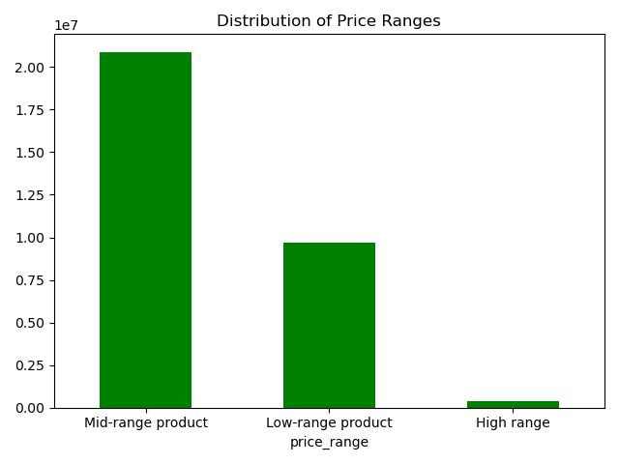
This bar chart shows the different price groupings, and the distribution. The vast majority of products are mid-range, and very few are high-range.

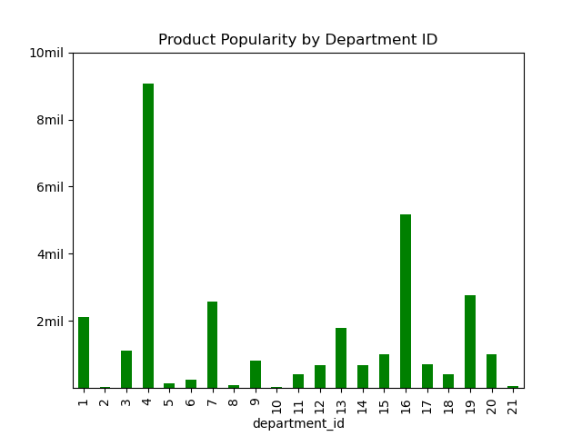
I created this bar chart to show which departments are the most popular in comparison with the ones that are not.

7. Recommendations
 |  | Title page

Recommendations
2
1
In this tab you should include any recommendations you would made to Instcart in terms of their marketing strategy based on the questions posed in the brief. Every key question has been covered in the Tasks of the Exercises - here you need to add an item - a visualisation or table/crosstable that is showing the answer in the data, acompanied by a comment from you. Please, list the questions below and add the answer underneath.

Question | Answer
Key Question 1 | The busiest days of the week are Sunday and Monday, as demonstrated by bar chart 1 to the right. The busiest hours of the day are between about 10am and 4pm, as demonstrated by histogram 2 to the right.
Key Question 2 | Higher-priced items are more likely the be purchased in the wee hours of the morning, while lower-priced items are more likely to be purchased in the middle of the day (see line chart 3 below).
Key Question 3 | I developed three different price groupings: high-range, mid-range, and low-range. Most products fall in the mid-range category (see bar chart 4 below and to the right). Additional advertising for the high-range products during the late night would be advisable, considering that is when they sell best.
Key Question 4 | I created a bar chart to show the popularity of the different departments defined by Instacart (see bar chart 5 below and to the right).
Key Question 5 | There is a great deal of diversity among the customers contained in this dataset. I have included a few different visualizations to demonstrate (see bar charts 6, 9, 10, 11; line chart 7; scatterplot 8, and notes beneath each).

5
4

3

According to this chart, there does not appear to be a relationship between the age of a customer and the number of dependents they are likely to have.
This scatterplot shows a positive relationship between age and spending power. As age increases, it's likely that income increases as well.
High spenders far outnumber low spenders accross the country. However, the greatest number of customers overall is concentrated in the South.
I created a stacked bar chart to show how different customer profiles consume products from different departments.
This bar chart shows the distribution of customers by brand loyalty. Most of our customers are "regular" but not "loyal." However, we do have more "loyal" customers than "new" ones.
This bar chart shows the distribution of customer profiles, which are based on age and number of dependents.

6
7
8

10

9

11

